Workforce
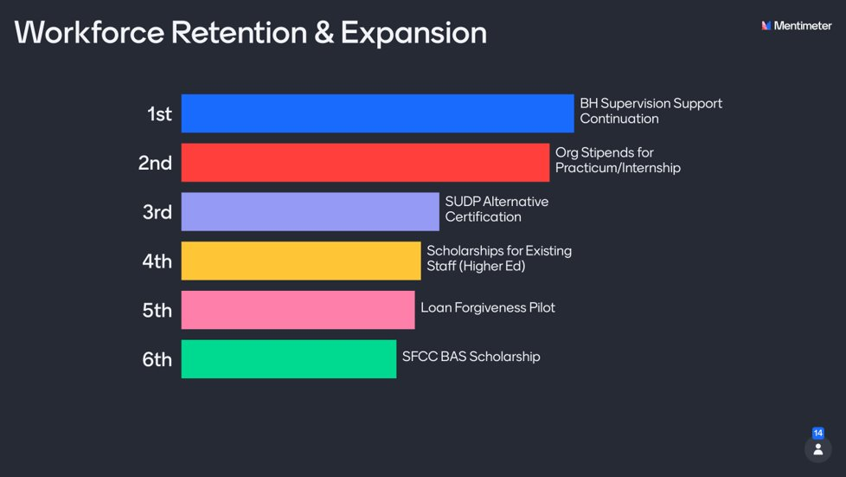
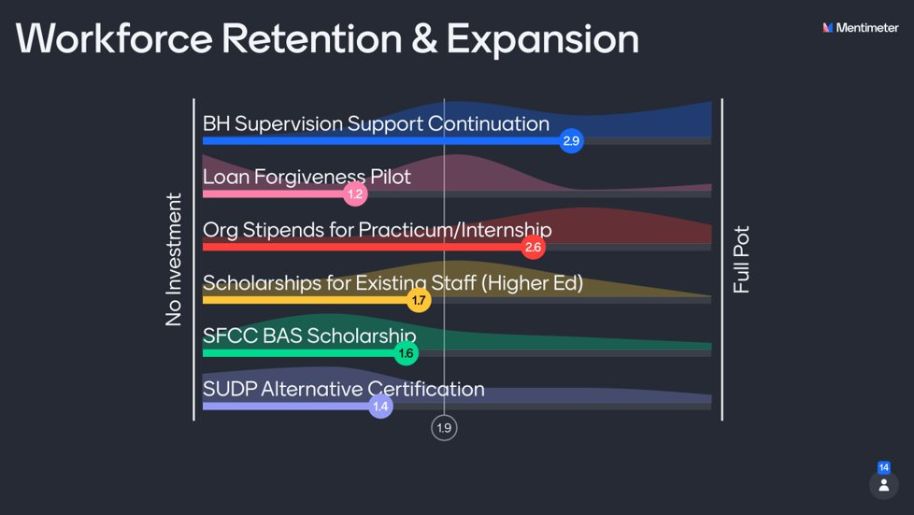
Workforce Retention & Expansion
Item | Ranked Choice | Item priority (based on rank choice) | Admin Load | Menti calculation | Budget Rec | Cost (low) | Cost (high)
BH (inclusive of SUD) Supervision support continuation (10 or 15 partners) | 1 | High | Med | $135,849 | $150,000 | $100,000 | $150,000
Org stipends for Practicum/Internship ($4k per student, 10 or 20 students) | 2 | High | High | $125,660 | $125,000 | $40,000 | $80,000
SUDP Alt Cert continuation (5 or 10 slots) | 3 | Med | Low | $64,528 | $66,000 | $27,500 | $55,000
Scholarship model for existing staff higher ed | 4 | Med | High/Med | $81,509 | $0 | $100,000 | $250,000
Loan Forgiveness Pilot | 5 | Low | High | $57,736 | $0 | $100,000 | $250,000
SFCC BAS Scholarship | 6 | Low | Low | $74,717 | $45,000 | $45,000 | $90,000
 |  |  |  | $540,000 | $386,000
 |  |  |  | Difference | 154,000.00

Peers & CHWs
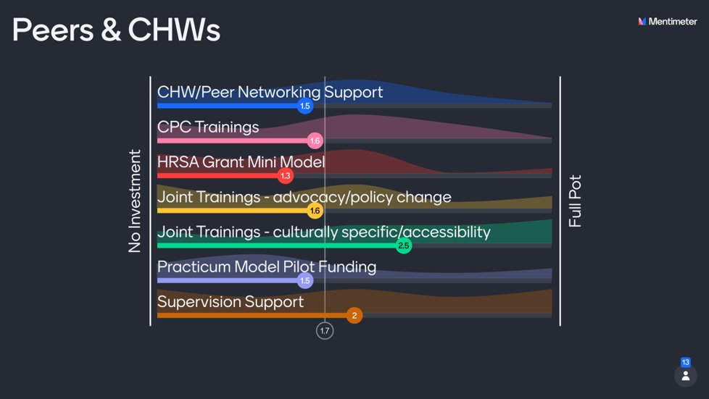
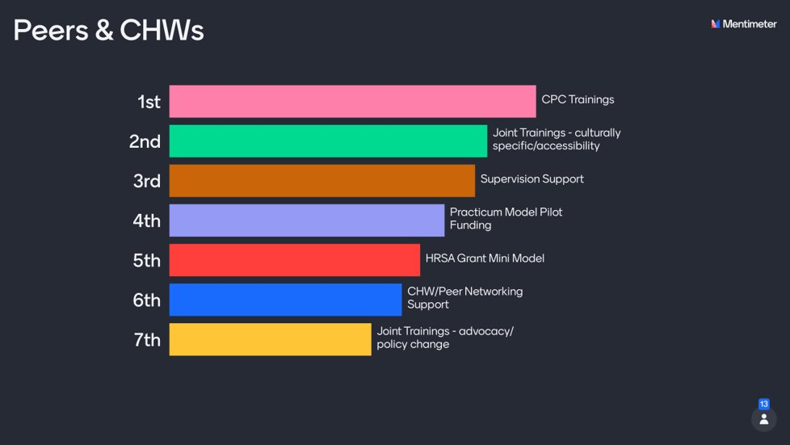
Peers & CHWs
Item | Ranked Choice | Item Priority | Admin Load | Menti calculation | Budget Rec | Cost (low) | Cost (high)
CPC trainings (2 or 4) | 1 | High | Low | $30,962 | $60,000 | $40,000 | $80,000
Joint trainings - culturally specific/accessibility | 2 | High | Medium | $47,179 | $47,000 | $10,000 | $50,000
Supervision support | 3 | Med | Medium | $38,333 | $40,000 | $25,000 | $75,000
Practicum/internship model pilot | 4 | Med | High | $29,487 | $50,000 | $50,000 | $75,000
HRSA Grant Mini Model | 5 | Med | n/a | $25,064 | $0 | $230,000 | $230,000
CHW/Peer Network Support | 6 | Low | Low | $28,013 | $0 | $25,000 | $230,000
Joint trainings - advocacy/policy change | 7 | Low | Medium | $30,962 | $0 | $10,000 | $50,000
 |  |  |  | $230,000 | $197,000
 |  |  |  | Difference | 33,000.00

EBPs
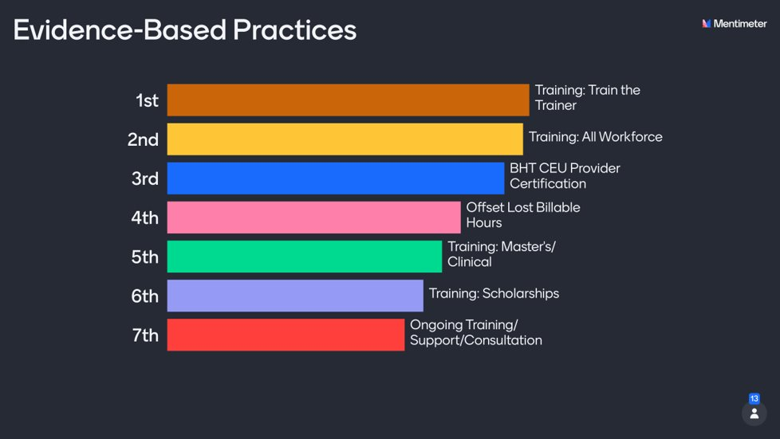
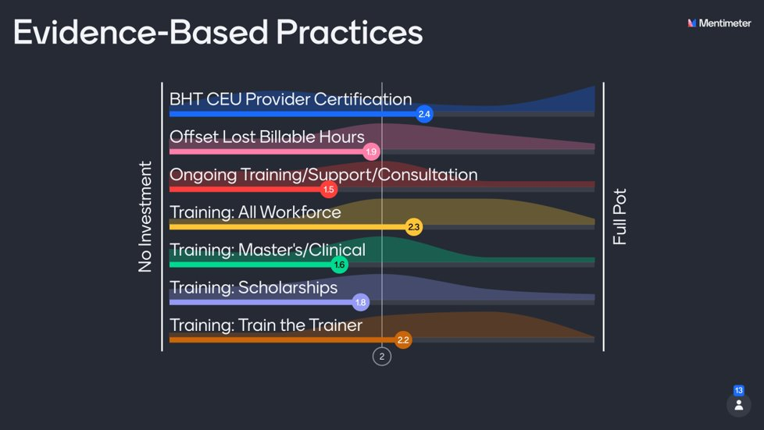
Training/Education - EBPs
Item | Ranked Choice | Item priority | Admin Load | Menti calculation | Budget rec | Cost (low) | Cost (high)
Training: Train the Trainer | 1 | High | Med | $50,223 | $75,000 | $10,000 | $100,000
Training: All Workforce | 2 | High | Med | $51,955 | $75,000 | $15,000 | $150,000
BHT CEU Provider Certification | 3 | Med | Low | $53,687 | $500 | $500 | $500
Offset lost billable hours (low/highs per full-day training with 25 attendees) | 4 | Med | Med | $43,296 | $45,000 | $10,000 | $50,000
Training: Master's/Clinical | 5 | Med | Med | $36,369 | $50,000 | $3,000 | $100,000
Training: Scholarships | 6 | Low | High | $39,832 | $0 | $25,000 | $150,000
Ongoing training/support/consultation (AIMS Center) | 7 | Low | Low | $34,637 | $0 | $50,000 | $100,000
 |  |  |  | $310,000 | $245,500
 |  |  |  | Difference | 64,500.00

